From SAM Data Pull
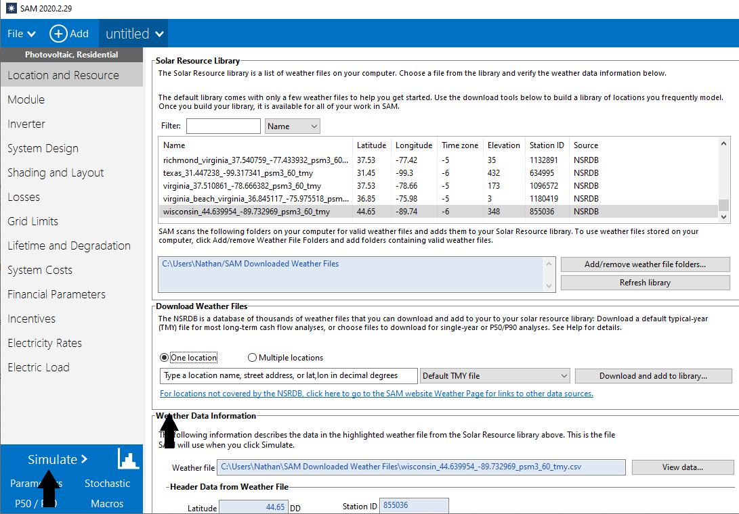
Arizona | 20.8
Colorado | 20.2
Florida | 18.8
Illinois | 16.6
Indiana | 16.3
Iowa | 16.4941
Maine | 14.8002
Maryland | 16.6537
Michigan | 14.8429
Minnesota | 16.115
Nevada | 19.7212
New Jersey | 16.4038
New Mexico | 21.6853
North Carolina | 17.1061
Ohio | 15.3332
Oregon | 17.6182
Pennsylvania | 14.695
Texas | 18.986
Virginia | 16.3321
Wisconsin | 15.9392
California | 20.8

National Capacity factors
 | 2017 | 2018 | 2019 | 2020 | 2021 | 2022 | 2023 | 2024 | 2025 | 2026 | 2027 | 2028 | 2029 | 2030 | 2031 | 2032 | 2033 | 2034 | 2035 | 2036 | 2037 | 2038 | 2039 | 2040 | 2041 | 2042 | 2043 | 2044 | 2045 | 2046 | 2047 | 2048 | 2049 | 2050
Capacity Factor (dimensionless)
Normalized to 2019 growth

